Sheet1
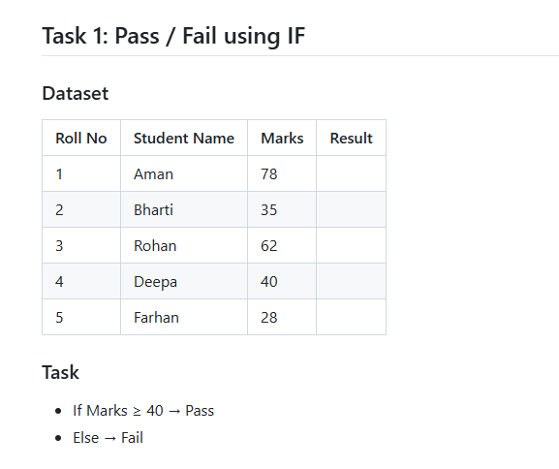
Roll No | Student Name | Marks | Result
1 | Aman | 78 | Pass
2 | Bharti | 35 | Fail
3 | Rohan | 62 | Pass
4 | Deepa | 40 | Pass
5 | Farhan | 28 | Fail

Sheet2
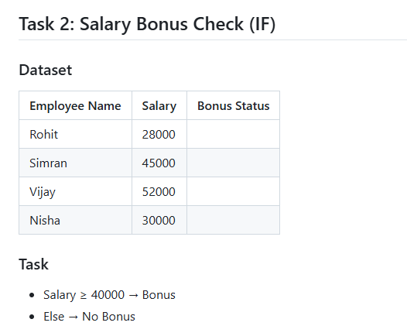
Employee Name | Salary | Bonus Status
Rohit | 28000 | No Bonus
Simran | 45000 | Bonus
Vijay | 52000 | Bonus
Nisha | 30000 | No Bonus

Sheet3
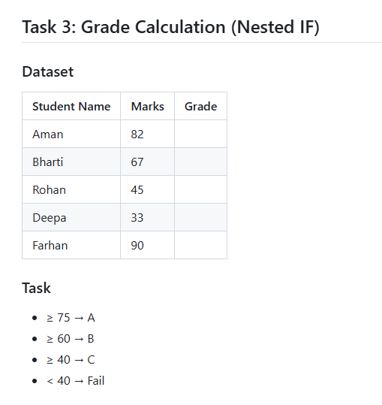
Student Name | Marks | Grade
Aman | 82 | A
Bharti | 67 | B
Rohan | 45 | C
Deepa | 33 | Fail
Farhan | 90 | A

Sheet4
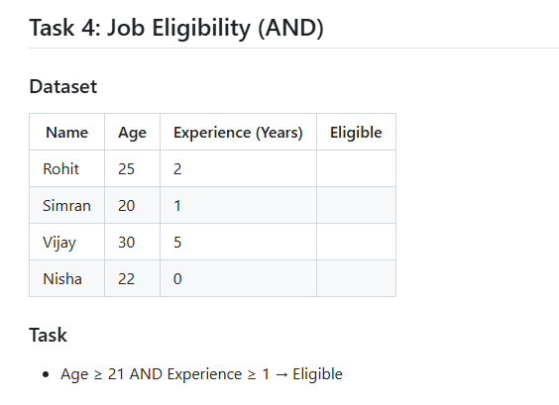
Name | Age | Experience (Years) | Eligible
Rohit | 25 | 2 | Eligible
Simran | 20 | 1 | Declined
Vijay | 30 | 5 | Eligible
Nisha | 22 | 0 | Declined

Sheet5
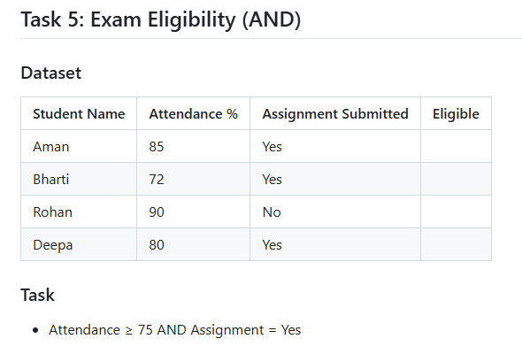
Student Name | Attendance % | Assignment Submitted | Eligible
Aman | 85 | Yes | Eligible
Bharti | 72 | Yes | Tata Bye Bye
Rohan | 90 | No | Tata Bye Bye
Deepa | 80 | Yes | Eligible

Sheet6
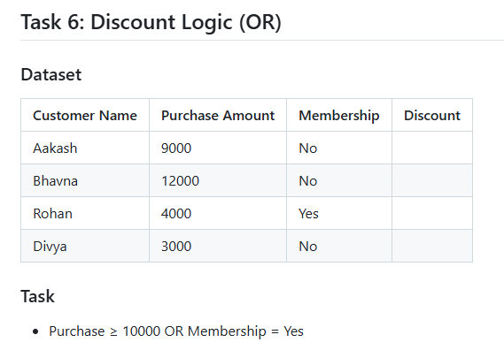
Customer Name | Purchase Amount | Membership | Discount
Aakash | 9000 | No | No Discount | FALSE
Bhavna | 12000 | No | Discount | TRUE
Rohan | 4000 | Yes | Discount
Divya | 3000 | No | No Discount

Sheet7
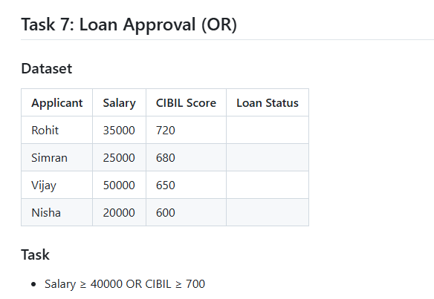
Applicant | Salary | CIBIL Score | Loan Status
Rohit | 35000 | 720 | Approved
Simran | 25000 | 680 | Rejected
Vijay | 50000 | 650 | Approved
Nisha | 20000 | 600 | Rejected

Sheet8
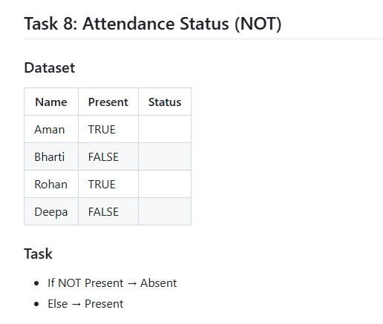
Name | Present | Status
Aman | TRUE | Present
Bharti | FALSE | Absent
Rohan | TRUE | Present
Deepa | FALSE | Absent

Sheet9
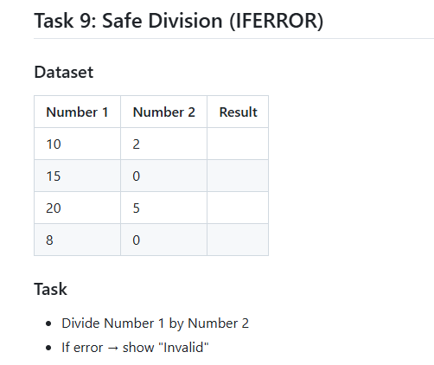
Number 1 | Number 2 | Result
10 | 2 | 5
15 | 0 | Invalid
20 | 5 | 4
8 | 0 | Invalid

Sheet10
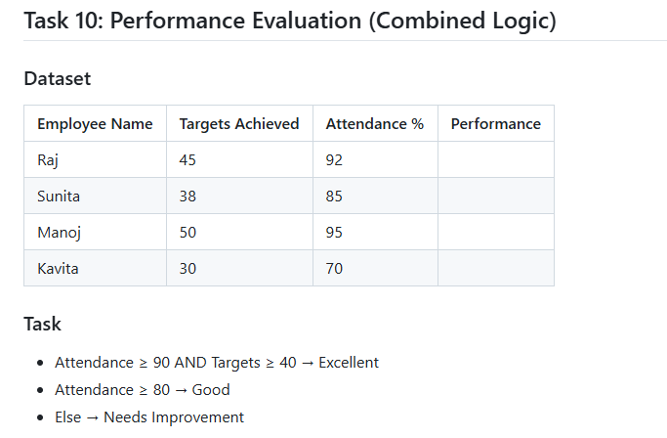
Employee Name | Targets Achieved | Attendance % | Performance
Raj | 45 | 92 | Good
Sunita | 38 | 85 | Good
Manoj | 50 | 95 | Good
Kavita | 30 | 70 | Need Improvement

Sheet11
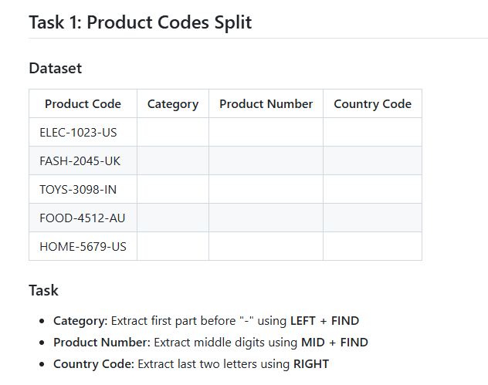
Product Code | Category | Product Number | Country Code
ELEC-1023-US | ELEC | 1023 | US | US | ELEC- | 23-US
FASH-2045-UK | FASH |  | UK
TOYS-3098-IN | TOYS |  | IN
FOOD-4512-AU | FOOD |  | AU
HOME-5679-US | HOME |  | US

Sheet12
Customer Name | Clean Name | Upper Case | Proper Case
john DOE | john DOE | JOHN DOE | John Doe
mary jane | mary jane | MARY JANE | Mary Jane
robert smith | robert smith | ROBERT SMITH | Robert Smith
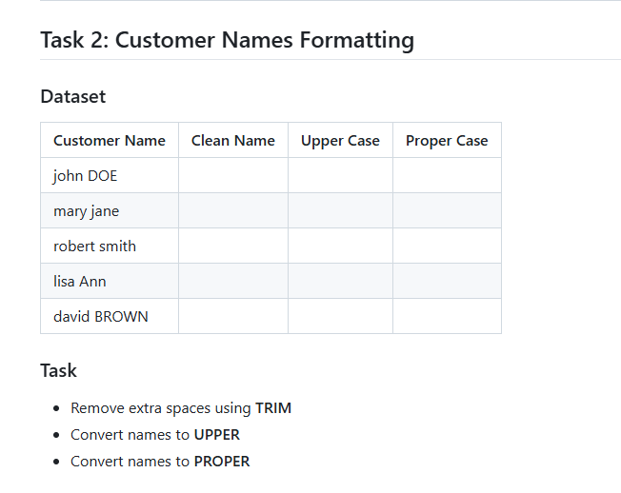
lisa Ann | lisa Ann | LISA ANN | Lisa Ann
david BROWN | david BROWN | DAVID BROWN | David Brown

Sheet13
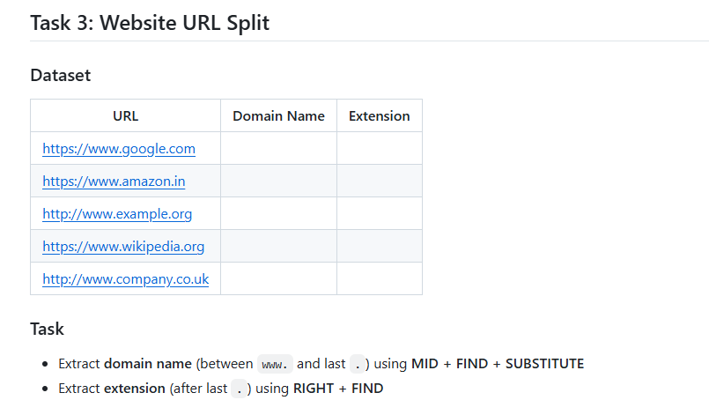
URL | Domain Name | Extension
https://www.google.com
https://www.amazon.in
http://www.example.org
https://www.wikipedia.org
http://www.company.co.uk

